Sheet1
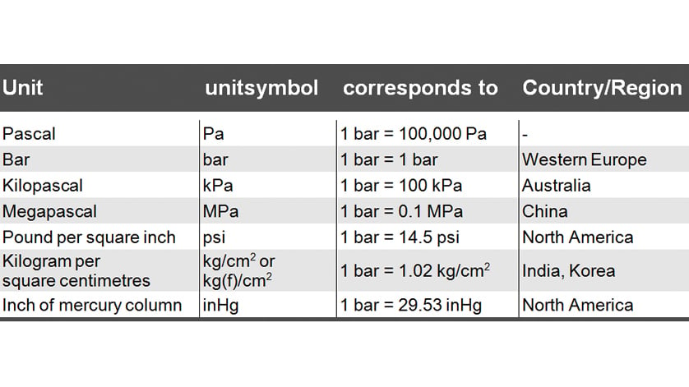
Adhesive joint
ODbh | 88.9 | mm
Length | 50 | mm
Contact area | 13964.379345 | mm^2

Load | 1200 | N
Stress, shear | 0.085932927654 | Mpa

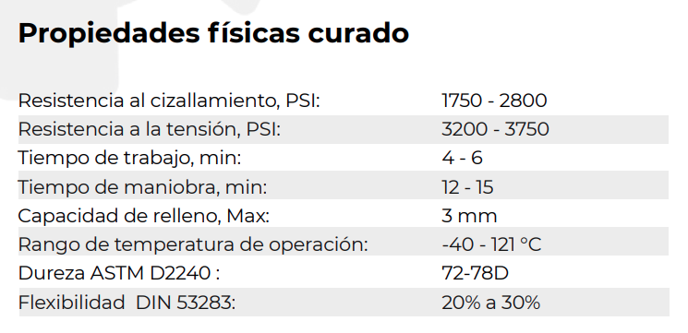
ADINOX M305
adinox m305
Stress, shear | 1750 | psi
 | 12.069 | Mpa

Sf | 140.44634399

Bearing stress
IDbh | 45.9 | mm
ODrcktMot | 60.325 | mm
Acnt | 1203.4621697 | mm^2
t | 7.2125 | mm
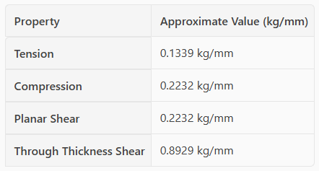
Stress, shear | 0.99712315871 | Mpa | ya

plywood
Density | 750 | kg/m3
Depends on type of wood
Stress, shear | 5 | Mpa

Sf | 5.0144257069
Mass bulkhead | 0.045129831362 | kg
 | 45.129831362 | gr

0.1 Mpa | 1.02 kgf/cm^2
 | 102 kgf/mm^2

 |  |  | in | mm
22.752 | 22.774 |  | 7.75 | 196.85
23.564 | 23.59 |  | 5.75 | 146.05

24.154 | 613.5116
24.178 | 614.13

altura
14.207 | 360.8578
 | 360.66

0.97 | 0.038
0.16 | 0.006
0.31 | 0.012
0.31 | 0.012
0.17 | 0.007
0.73 | 0.029

